View List Account
Common information |  |  | Project name |  | Testing System |  |  |  | Creator | NTHung
 |  |  | System name |  |  |  |  |  | Created date | 28/2/2020
 |  |  | Phase name |  |  |  |  |  | Version | 1.0
 |  |  | Document ID |  |  |  |  |  | Updated by
 |  |  | Document name |  |  |  |  |  | Updated date
Detailed information |  |  | Screen ID
 |  |  | Screen name |  | View List Account
 |  |  | Outline

 | 1. | Screen image

 |  | Bước 1. Từ thanh menu của Home Page click vào Account Management để hiện ra màn hình view list

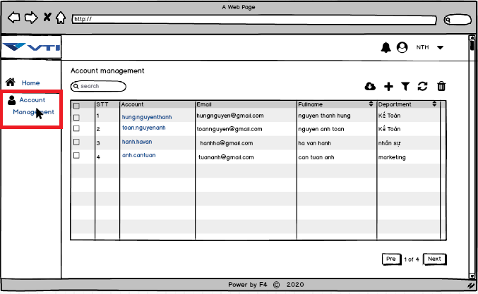

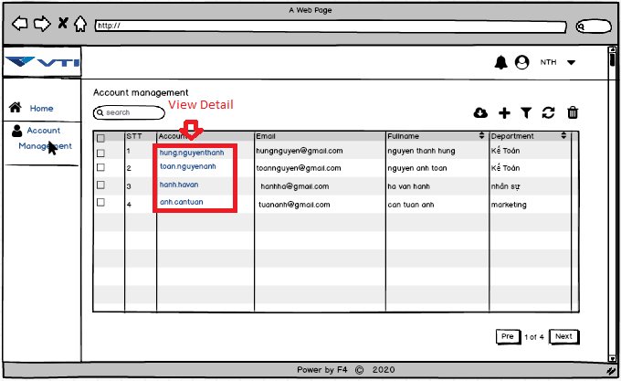

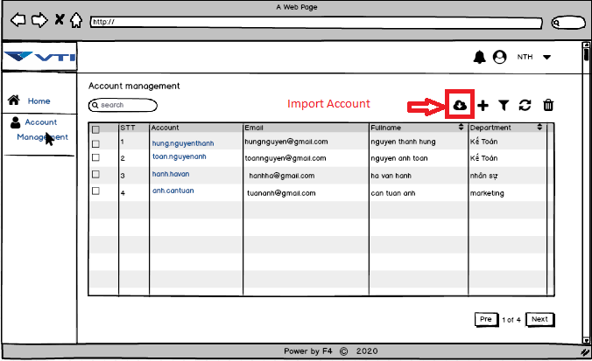

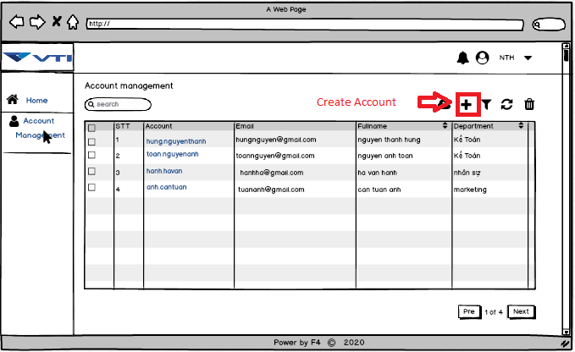

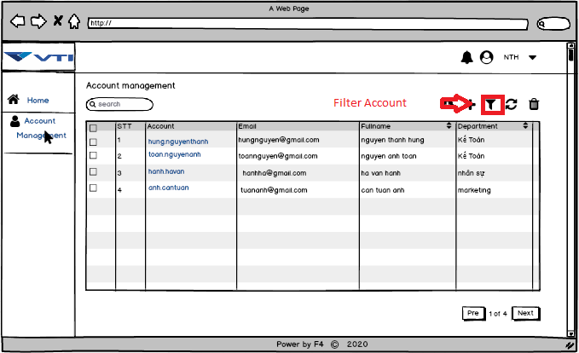

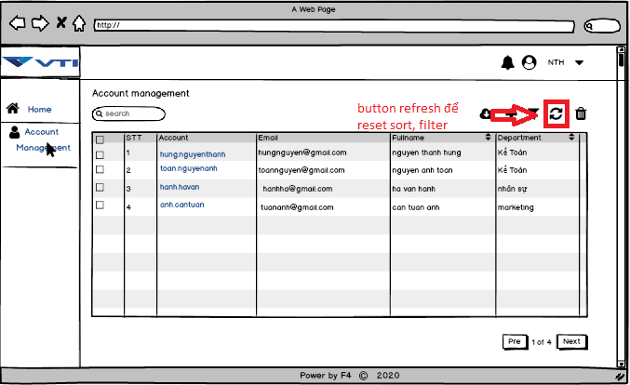

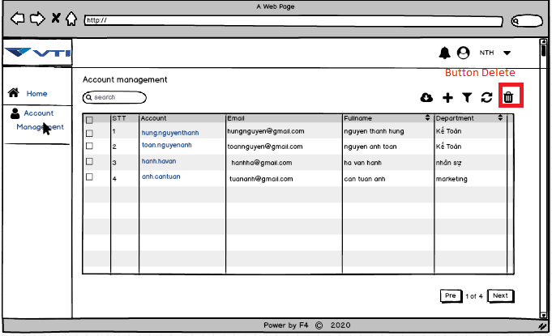

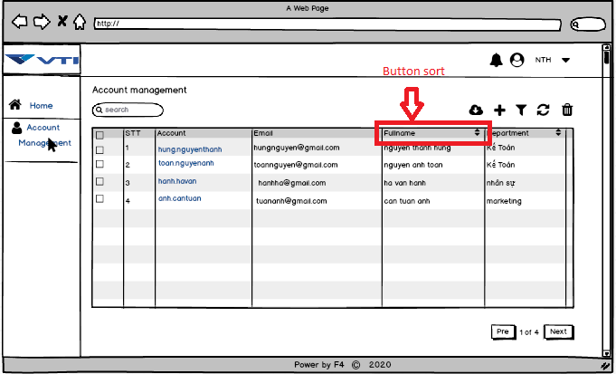

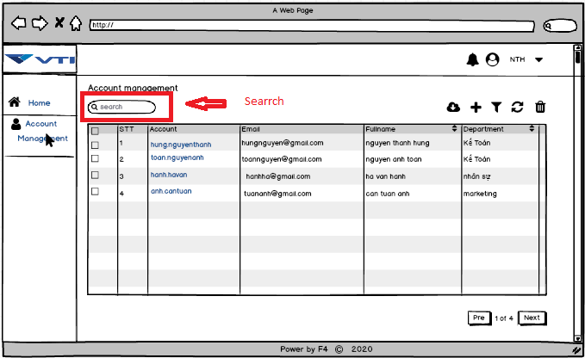

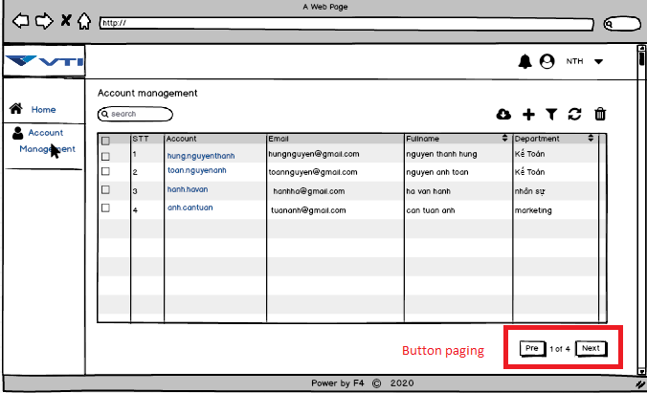

3. | Item display
 | Item | Display |  | Type |  | I/O | Initial value | Operation

4. | Activity Diagram

5. | Sequence Diagram

6. | State Diagram

7. | Pseudo Code

8. | Unit-test case

